CB and gov actions
time | content | Country | subject | comment | sources
2020-03-31 | *TRUMP CALLS FOR $2T INFRASTRUCTURE PACKAGE IN NEXT RELIEF BILL *TRUMP: PHASE 4 AID BILL SHOULD BE $2T, FOCUSED INFRASTRUCTURE *TRUMP SAYS THIS IS TIME FOR `BIG & BOLD' INFRASTRUCTURE BILL *TRUMP, TURKEY'S ERDOGAN DISCUSSED VIRUS TODAY, WHITE HOUSE SAYS | US | Fiscal
2020-03-31 | Germany in Talks to Backstop Credit Insurers to Counter Defaults.Germany is discussing plans to backstop losses for commercial credit insurers in the country in a bid to keep trade flowing and prevent bankruptcies from the widespread disruptions to business. | EU | Fiscal |  |  | 2020-01-30 | *BOE DROPS GUIDANCE FOR LIMITED AND GRADUAL TIGHTENING *BOE CUTS GROWTH OUTLOOK, SEES CPI BELOW TARGET UNTIL END-2021
2020-03-31 | *FED FACILITY IS ALTERNATIVE DOLLAR SOURCE TO SELLING SECURITIES *FED FACILITY ALLOWS CENTRAL BANKS TO REPO TREASURIES FOR DLRS | US | Fed |  | https://www.federalreserve.gov/newsevents/pressreleases/monetary20200331a.htm
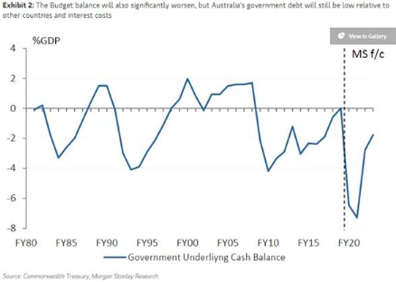
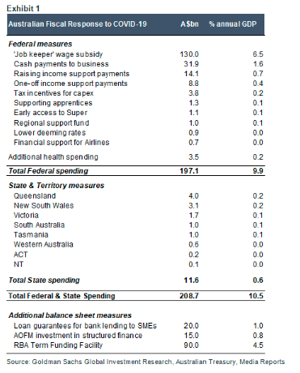
2020-03-31 | Brazil press headlines: Aid to informal workers approved in the Senate – 03/31/2020 Brazil has 4,579 confirmed cases of COVID-19 and 159 deaths, according to the Health Ministry. The Folha de S. Paulo newspaper reports that the Senate approved yesterday the emergency aid of BRL600/month for informal workers. The economic team estimates a total cost of BRL44bn for the three months it will be paid, according to the article. Related to that, the O Globo newspaper reports that the government is discussing a bill allowing companies to reduce hours worked and wages and to use the unemployment insurance to complement the salary. The O Estado de S. Paulo newspaper reports that the Treasury Secretary, Mansueto Almeida, sees the primary deficit above BRL350bn this year. O Estado de S. Paulo reports that tension between President Bolsonaro and the Health Minister, Luiz Henrique Mandetta, has increased as Minister Mandetta continues to reinforce that population social distance is necessary, opposed to the line defended by President Bolsonaro. Valor Econômico reports that the government acted yesterday to reduce the role of Minister Mandetta in handling the fight against the COVID-19 as more ministers joined the press conference on COVID-19 yesterday. According to O Estado de S. Paulo, the Chief-of-Staff, Walter Braga Neto, said that Minister Mandetta will not be dismissed. Meanwhile, Supreme Court Justice Gilmar Mendes advised President Bolsonaro to try and coordinate efforts against the COVID-19 with states and municipalities to avoid litigation, according to Valor Econômico. Folha de S. Paulo reports that the Energy Ministry has postponed all auctions in the electric energy sector scheduled for this year. Related to that, the Valor Econômico reports that the privatization of Eletrobras should be postponed until 2021. | BRL | Fiscal
2020-03-31 | PUTIN, TRUMP AGREED CURRENT OIL PRICES NOT IN MUTUAL INTEREST | RUB | Oil
2020-03-31 | Aussie fiscal | AUD | Fiscal | Measures worth 10% of GDP, but still affordable
2020-03-30 | *AUSTRALIA TO COMMIT A$130B IN 6 MONTHS TO SUPPORT JOBS | AUD | Fiscal
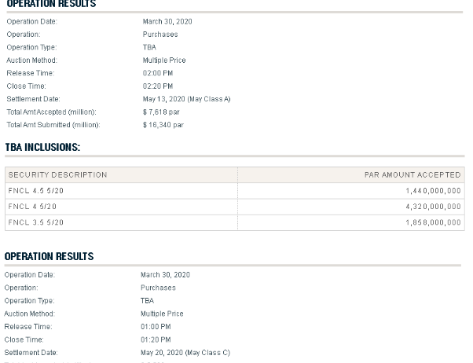
2020-03-30 | *TRUMP SAYS VIRUS MODELING SHOWS PEAK WON'T ARRIVE FOR TWO WEEKS *TRUMP SAYS CHALLENGING TIMES AHEAD FOR NEXT 30 DAYS *TRUMP SAYS MORE THAN 1M AMERICANS HAVE BEEN TESTED FOR VIRUS *TRUMP SAYS VENTILATORS BEING SENT TO MICH., N.J., LA. *TRUMP SAYS WILL PROVIDE STATISTICS, UPDATES TUESDAY *TRUMP SAYS WILL KEEP TRAVEL RESTRICTIONS IN PLACE, MAY ADD MORE *TRUMP SAYS HE THINKS WILL BE ENOUGH VENTILATORS FOR VIRUS PEAK | US | Policy
2020-03-30 | The New York Fed plans to purchase roughly $30b a day of agency mortgages for the rest of the week, according to its website. This is $10b per day lower than today’s $40b target and $20b per day lower than the $50b per day target seen March 23-27 Fed purchases last week averaged almost $37b per day More in-line with today’s purchase notional of $20.7bio. | US | Fed
2020-03-30 | MEXICO CENTRAL BANK TO AUCTION DOLLARS THROUGH FED 'SWAP' LINE | MXN | CB
2020-03-30 | BANK OF RUSSIA TO HALT DOMESTIC GOLD BUYING FROM APRIL 1 | RUB | CB
2020-03-30 | Trump plans call with Putin to discuss oil, Bullard headlines | RUB | Oil
2020-03-30 | PBOC cuts 7d repo rate // Comments on Politburo meeting | CNY | CB | BOA: Mkt didn't react very much, only a bit richer. Onshore thinks this is probably because OMO is not as a leading indicator as before (real rates have been below OMO for a long while). This does bring us to a new historical low on China policy floor for short end rates, previous low as 2.25% from 2015-2017
2020-03-29 | SOUTH AFRICA CUT TO JUNK BY MOODY'S, OUTLOOK NEGATIVE *SOUTH AFRICA CUT TO JUNK BY MOODY'S, OUTLOOK NEGATIVE (BOA: this was long awaited and now means an exclusion from the WGBI index. Note the rebalance will not happen at the end of March.) SOUTH AFRICA HAS NOT CONSIDERED EXACT AMOUNT OF FUNDS IT WOULD REQUEST FROM THE IMF SOUTH AFRICA'S FINANCE MINISTER SAYS REQUESTS FOR MULTILATERAL FINANCING WOULD ONLY BE "IF WE RUN OUT OF FUNDS FOR HEALTH INTERVENTIONS" SOUTH AFRICA'S TREASURY SAYS ENGAGED LAST WEEK WITH FITCH ABOUT ECONOMIC IMPACT OF CORONAVIRUS AND PLANS TO ADDRESS CRISIS SOUTH AFRICA'S CENBANK SAYS IMPOSING CAPITAL CONTROLS WOULD BE RECKLESS, HURT INVESTOR CONFIDENCE SOUTH AFRICA'S CENBANK GOVERNOR SAYS FALLING GLOBAL OIL PRICE WILL HELP SHIELD COUNTRY'S CURRENCY, LIMIT INFLATION FALLOUT | ZAR | Credit | 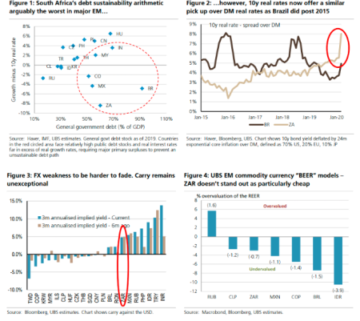
2020-03-30 | Singapore: MAS Eases By Removing Appreciation Bias and Re-centering SGD Policy Band | SGD | CB
2020-03-29 | *TRUMP SAYS EXTENDING VIRUS GUIDELINES TO APRIL 30 *TRUMP SAYS PEAK ON DEATH RATE LIKELY TO HIT IN TWO WEEKS *TRUMP SAYS EXPECT TO BE WELL ON WAY TO RECOVERY BY JUNE 1 *BIRX: MODELS PREDICTED 1.6M-2.2M FATALITIES WITHOUT MITIGATION | US | Policy
2020-03-29 | WSJ: After Three Coronavirus Stimulus Packages, Congress Is Already Prepping Phase Four | US | Fiscal | WSJ
2020-03-29 | *RBNZ PLANS OPEN MARKET OPERATION FOR CORPORATES *RBNZ REPORTS OFFER TO PURCHASE NZ GOVT. MAY 2021 NOMINAL BONDS *RBNZ SAYS WEEKLY OPERATION WILL ACCEPT CORPORATE BONDS, ABS *RBNZ SAYS CORPORATE OMO TO TYPICALLY OFFER AS MUCH AS NZ$500M *RBNZ SAYS FIRST CORPORATE OMO SCHEDULED FOR MARCH 31 *RBNZ; CONTINUES TO MONITOR MARKET DEVELOPMENTS VERY CLOSELY | NZD | CB | This fiscal year so far they have issued $7.5bn. Taking into account the next two tenders, they will reach $7.8bn by the end of the month and have $5.2bn of issuance to do to 30Jun20. Assuming 300mio linker tenders and 3 nominal tenders per month, to do the extra $5bn get to $13bn by 30 June, nominal tender sizes will likely need to average $425bn per week on average – so double the amount of dv01 per week approx. into the next quarter. 2s10s kiwi is 10bps steeper following this announcement | 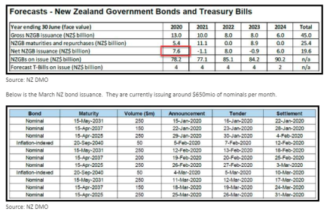
2020-03-29 | REVISED: Liberty Street Economics: Fight the Pandemic, Save the Economy: Lessons from the 1918 Flu | US | CB | Andrew: Very interesting conclusions. Before the days of testing and tracing that the debate has moved on to globally but in the meantime the measures are here to stay. Iomar:Certainly interesting, very much the opposite of what I would have expected particularly regarding the length of the shutdowns. I wonder if there is something else going on (econ output naturally higher over time in Western cities as they became more developed through the 1900s, and the slightly later arrival of the virus meant they were able to lockdown faster and for longer?). But as you say quite limited read across given the ability to extensively test and trace. Also the lower natural propensity to riot after such a prolonged war, could have lessened the side effects of the NPIs. | https://libertystreeteconomics.newyorkfed.org/2020/03/fight-the-pandemic-save-the-economy-lessons-from-the-1918-flu.html
2020-03-29 | TRUMP SIGNS $2 TRILLION CORONAVIRUS RELIEF PACKAGE INTO LAW | US | Fiscal
2020-03-27 | FED TO REDUCE DAILY PACE OF TREASURY BUYING TO $60B APRIL 2-3 | US | CB

Caxton
time | Person | content | subject | other information, like data sources
2020-03-28 | Iomar | REVISED: Liberty Street Economics: Fight the Pandemic, Save the Economy: Lessons from the 1918 Flu | CB publish | https://libertystreeteconomics.newyorkfed.org/2020/03/fight-the-pandemic-save-the-economy-lessons-from-the-1918-flu.html |  | 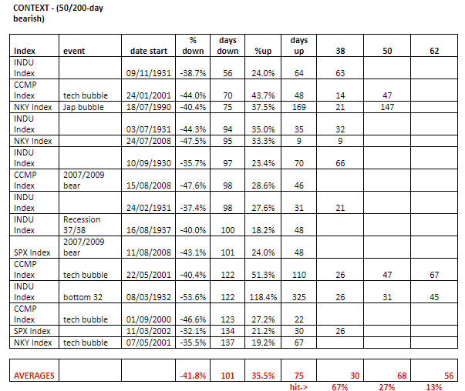
2020-03-28 | Jim | COVID-19 report | COVID-19 report | https://www.icnarc.org/DataServices/Attachments/Download/b5f59585-5870-ea11-9124-00505601089b
2020-03-29 | Andrew law | historically how market rebound; crashes and recovers | technical
2020-03-27 | Andrew law | 2020 vs 2008 chart comparison | technical | Alan Ruskin- Deutsche Bank
2020-03-20 | Andrew law | you can try to approximate assumptions regarding the severity China’s lockdown vs. US social distancing efforts and get some semblance of an industry normalization timeline. | Macro | MS; Rachel L Zhang, Sean Xiang, Sara Chan, Hannah Yang | 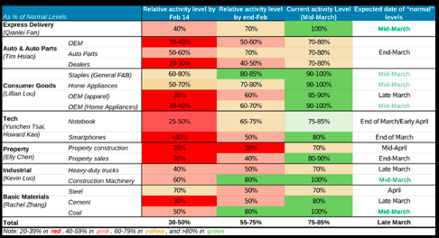
2020-03-20 | Andrew law | GDP prediction by borkers | Macro | Jan Hatzius; Goldman
2020-03-19 | Andrew law | France: Sanofi offers potential drug to beat COVID-19 | Anecdotal | https://www.aa.com.tr/en/europe/france-sanofi-offers-potential-drug-to-beat-covid-19/1770571
2020-03-16 | Iomar | I find it very interesting that the market is only looking at the bad from the weekend i.e. immediate hits to growth from lock downs rather than the increased probability that the lockdowns are successful as in Korea and China, particularly that they are now broad-based and somewhat coordinated (The UKs insane herd mentality cr/p aside). Parts of the market are starting to imply some pretty pessimistic long term equilibrium for asset prices, levels I struggle solve for outside of assuming either a very large illiquidity factor and/or the impending death of a large portion of the productive population.
2020-03-16 | Tomas Dale | I think going to extreme pricing of tails was always likely. In extreme crisis my experience is that markets stop pricing of the mean outcome and focus on the tail outcome. In the depths of the 2008/9 recession credit markets were pricing an outcome worse than the Great Depression, when nominal gdp fell 30% odd. So reducing the tail outcome is key to market pricing changing. Should happen when the positive impact of more social distancing measures becomes clear
2020-03-13 | Cascella | Updated recessionary scenario analysis from GS this morning stressing near zero rates, no loan growth, 10% shock to cap mkts, decline in asset values, and 1.5x provision/NCO multiplier for all loan loss categories. The net of it: large cap banks already price in a 95% of a corporate recession scenario (47% hit to earnings/6.5 pt hit to returns) and 85% of a more broad-based recession scenario (both corporate & consumer slowdown). MS, USB, and C appear to be discounting the most and thus he is upgrading MS & USB this morning (C already Buy-rated. Further, banks are now trading at 1.1x burned down TBV using the Fed's adverse loss scenario. |  | 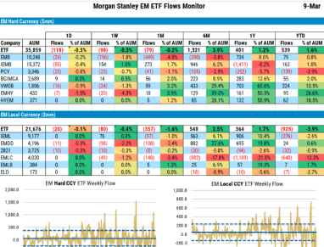
2020-03-11 | Murgolo | EM ETF Outflows + EUR/EM Thoughts | FX, cap Flows | MS: James Lord
2020-03-06 | Andrew law | This template may be key to evolution of markets from here. Sentiment in China improved sharply when the growth rate ex-Hubei slowed in late January. Copper traded at higher levels ever since then. Italy is at the point where based upon China ex Hubei it could slow in the days ahead. Korea has started to plateau as a guide to this. US and other Europe(not shown) 9 days behind based on this analysis. Japan well versed in anti virus behaviour has its own lower profile. Of course many known unknowns; re-infection rates, mutation etc. As well as questions about whether western nations will force the shut downs to abate the spread. Etc | Macro
 | Metsovitis, Efstathios | I would make the point as it pertains to Fixed Income markets, the ONLY force I could see making the long end selloff right now would be bonds->stocks rebalancing from pension funds. Without entering into the weeds (but can elaborate if needed), there had been signs of it emerging beginning of the week, but in general evidence says pension funds don’t like catching falling knives, and they reenter the market when things stabilize. If SPX is to follow china stock market trajectory due to virus abating at some point in the future, tghats when you want to dump long end FI. | Macro
2020-03-06 | Andrew law | The COVID-19 virus shock combines elements of both a supply and a demand shock. Estimates of the impact on the US economy in 2020 range from a small 10-20bp trim to real growth, to a much larger shock of 150-200bp or even greater.Best stab yet at combined monetary + fiscal policy in US. Would be powerful (enough) in a macro sense. | Macro | Tedeschi@evercoreisi.com | 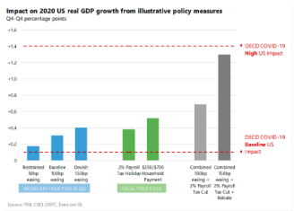
 |  | That leaves fiscal policy. President Trump has told Democrats in Congress they should pass a one year payroll tax. House Democrats are starting to review their own options and in particular affected industries (e.g. airlines) are on the Hill asking for help. Given the partisan divide, we see high hurdles in this election year and fear that material fiscal stimulus may only materialize after the onset of an actual economic downturn makes the need for support clear. | Macro
2020-03-05 | Felix; Andrew | Dollar scarcity | Macro | Zoltan global monetary note
2020-03-04 | Andrew law | CSM | Quick Take: Two Man Race; Biden Is Favorite | Politics | Andy Laperriere
2020-03-02 | Andrew law | Was Covid-19 that big a shock to forward growth expectations in China? China stock market, Spot the virus competition.And of course US rates are priced to go to 50bp by year end. Suggests that economic shut downs that cause a short term collapse in activity are irrelevant to forward growth if associated with expectation of halting the virus spread. Curtailing the spread of the virus is key to stabilising the economy. Short term pain equals good news for markets at current levels. The key question is therefore whether the world ex-China is willing to shut the system down for a month or so? The markets are saying the authorities don’t have the bottle. The supply chain story emanating from China as a growth disruption is priced to lift in the coming weeks. Western demand growth hit independent of that is the markets focus. |  | 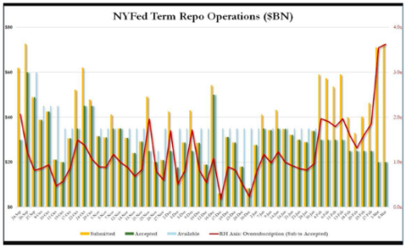
 | Iomar | It’s hard to believe that we have a system where growth is considered paramount to the safeguarding of human lives. It seems strange to talk about the coordinated fiscal and monetary policy response without having a much clearer idea of the logistical response, far more important imho in order to stop the spread and resulting economic fallout. Trump was still in denial as of Saturday. The irony is that China’s great response will just mean that they reimport the virus at a later stage and end up in the same position as the West, a West that heavily criticized their response in the first place. I sincerely hope the markets are wrong on this one…
 | Andrew law | The Chinese have absolutely sacrificed this years’ growth, some say virtually all of it in reality – and stopped the virus spread as well. But future growth is perceived as intact. Trump in particular doesn’t have the bottle, the wherewithal, or the wisdom, to do what the Chinese did. The virus could return in an infinite doom loop for sure as you say. But medical facilities are better placed to deal with an ongoing permanent virus on a modest scale than a deluge caused by not shutting down.
 | Tomas Dale | An alternative hypothesis is that Chinese equities do not act as forward growth discounters in the way equity markets in free market societies do. China has a closed capital account, a large share of SOE, limited household savings options, and a banking system that allocates credit by state determined quota and not on appropriate price. It also is a effective dictatorship where the regime can-not easily bear a lack of face. Chinese stock markets are driven by short term liquidity injections by the PBoC, of cash that has nowhere else to go. This liquidity can be multiplied when the state encourages State owned investment companies to invest in the market and/or encourages private investors to leverage themselves into the equity market via margin accounts I as in 2015). These liquidity injections can be used at any time, for a variety of purposes, including making sure the regime does not show lack of face. If Chinese forward growth expectations had been unaffected then this surely would have been reflected in satellite equity markets like HK, Taiwan and Singapore, which they have not been. For me, the window into China provided by these equity markets suggest that forward growth expectations for China and its zone of influence have been downgraded. Although only to where they were last summer.
2020-02-29 | Andrew law | From the UK Times today; “Ministers and officials are considering the trade-off between allowing an acute outbreak, from which the economy would rebound more quickly, and trying to save more lives by imposing restrictions on mass gatherings and transport.” The issue with rapid outbreak is that the NHS could not attempt to treat the vast majority number of cases, and there would certainly be an age cut off. A UN report last year actually advocated no travel or work restrictions in the event of pandemic risk, as social plus economic costs would be too high. Of course this is a moral judgement and the people would make their own exclusion choices. Most disturbing of all however is that it looks possible to contract the virus more than once. Ergo an infinite doom loop. | Politics | Times
2020-02-25 | Andrew law | "Will the Coronavirus Trigger a Global Recession?" -- Jeffrey Frankel | Macro | JEFFREY FRANKEL
2020-02-25 | Andrew law | Pretty punchy view for Dudley who typically favours doing nothing and saying nothing. The greatest risk to the record U.S. economic expansion is an external shock that the Fed can't offset because it responds either too late or without enough force. This risk is rising. Fed officials recognize that it doesn’t take a particularly big shock to push the U.S. into recession. When the dynamic of the economy turns negative, the feedback loop from a drop in demand on production, employment, income and sentiment can be quite powerful. This may be particularly relevant right now; the economy doesn’t have much forward momentum and sentiment probably is fragile in the face of a growing risk of a global pandemic. If the situation stays roughly the same or deteriorates further, I would expect Fed officials to take note of the risks in their next Federal Open Market Committee policy statement and for Chair Jerome Powell to make it clear in his press conference that the Fed is alert and prepared to respond forcefully should that prove necessary. | Fed
2020-02-25 | Andrew law | Just straight 9B more spending then https://www.thetimes.co.uk/article/budget-2020-pension-raid-called-off-but-fuel-duty-could-rise-lfpbkws3p | Fiscal | Times
2020-02-22 | Andrew law | (WPT) New Developments Suggest Coronavirus Incubation Could Be Longer Than 14 Days, as Global Infections Rise |  | Washington post
2020-02-21 | Andrew law | US: National PMIs drop in February, countering improvement in regional measures | Macro | Markit pmi
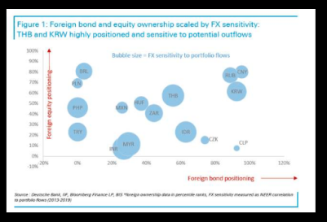
2020-02-20 | Connor | The calculation is as follows 3m usdjpy fwds = -0.555 Current usdjpy spot = 111.90 -0.555/111.90 = -0.0049 -0.0049*100 = -0.49 Annualize that so -0.49 * 4 = -1.98% Current 10y usd yield = 1.5356 1.5356-1.98 = -0.44, the number below Luckily theres a ticker for this. FXHCUSJP Index The cix baml has below is just usgg10yr- FXHCUSJP Index | Macro
2020-02-20 |  | DB notes:
2020-02-18 | Andrew law | The IMF under new leadership have worked out that not every country in EM is the same. | Politics | https://www.ft.com/content/b53468f0-4e46-11ea-95a0-43d18ec715f5
2020-02-17 | Andrew law | Monetary to fiscal
2020-02-16 | Andrew law/ TJ | Reads as some more flexibility, while not a complete overhaul. The devil is in the detail of course. Changes that may not appear dramatic can still be meaningful. And it would confirm the direction of travel.
2020-02-16 | Andrew law/ TJ | An elegant compromise would be moving to a 5 year horizon for balancing current spending/income. Rather like an end point for an inflation target, and broadly ignoring whatever happens in between aka perpetually missing targets. 5 years for fiscal is pretty analogous to 2 -3 years BOE framework. Whether council tax bands count as a “mansion” tax remain to be seen. | Fiscal

Tim Rishi
time | Person | content | subject | other information, like data sources
2020-03-27 | Tim Rishi | JPM revised their Banxico call to 3% last night (piece attached). We price 5.5% at the moment. · They see CPI now below target this year, at 3% with core at 2.5% -- the output gap should be around 9-10% in their view · 2020 GDP is revised to -7% | EM CB | 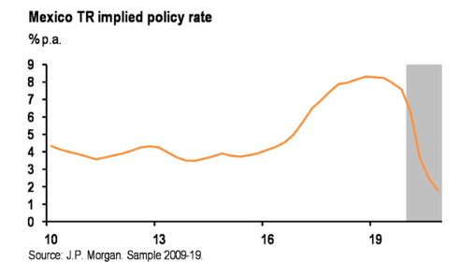 taylor rule implied
2020-03-25 | Tim Rishi | Couple of thoughts on Mexico FI. In short Banxico has turned much more dovish, they cut to 4.5% in 2008 - this time around looks just as bad or even worse, potential to go below 4.5% (200bp + of cuts). The market prices 90bp of cuts into 1y (too little), but then 60bp of hikes (way too much). Expect another intermeeting cut soon (they won’t wait until mid-May). Potential for another 100bp + in the 2y TIIE trade.From: Rishi, Tim Sent: 25 March 2020 18:53 To: EM Team; Mohammad, Junaid Subject: thoughts on MXN FI Couple of thoughts on Mexico FI. In short Banxico has turned much more dovish, they cut to 4.5% in 2008 - this time around looks just as bad or even worse, potential to go below 4.5% (200bp + of cuts). The market prices 90bp of cuts into 1y (too little), but then 60bp of hikes (way too much). Expect another intermeeting cut soon (they won’t wait until mid-May). Potential for another 100bp + in the 2y TIIE trade. Banxico’s policy stance - more dovish Quite important changes to highlight from Friday’s statement compared to the last cut in Feb: Forward guidance - removed the word “prudent” monetary policy. Fiscal no longer needs to be consolidated in the central bank’s eyes. Focus on successful adjustment of the economy. -- all very dovish. Also keep in mind, they brought forward the rate decision, cut by 50bp not 25bp, and did this when $MXN was at the highs. All adds up to a much more dovish reaction function. Feb: To strengthen the macroeconomic framework and the country´s growth capacity, in addition to a prudent monetary policy, public finances must be consolidated in a sustainable way March: Perseverance in strengthening the macroeconomic fundamentals and in adopting the necessary actions, regarding both monetary and fiscal policies, will contribute to a successful adjustment of domestic financial markets and of the economy as a whole. Inflation - in Feb, they mentioned 6 upside risks to inflation and 3 do | EM CB |  | 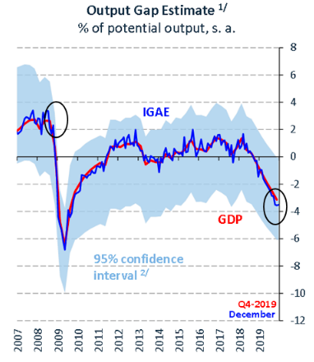
2020-03-11 | Tim Rishi | Nice chart from GS highlighting the asymmetry of SAR FX points if oil is to have further declines. Cost to maturity of holding the 2y forward points is 1.4% at the moment. It was 45bp before the oil fall, so you are risking 1% of your notional should oil go back to previous levels (of course no one expects a devalue, it’s just playing the risk premium). | EM Rates
2020-03-19 | Tim Rishi | Thought it was worth highlighting that the Saudi points have actually come in the past few days (sell side say this is related to local banks quarter end requirements where they need to raise USD). At the moment, the cost of running the trade is 70bp over two years - back in 2015 when oil was at the same price, the implied yields got to 6% for two years. I think it will be very hard to see the SAR points trade lower than here (in implied yield terms, we are only 10bp above last year’s average) so this should offer quite a nice asymmetry should oil stay here or go lower - and is a very cheap way to hedge portfolios. | EM Rates |  | 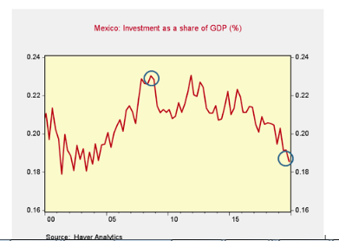
2020-03-19 | Tim Rishi | To augment this, JP and GS updated their estimates yesterday on both GDP and monetary policy action across EM. Tables below. So far this week, Turkey, Poland, Czech Republic, Hungary, Korea, Chile have eased policy more than what economists expected. Indonesia and Brazil have cut policy in line with expectations (although Brazil’s statement was more hawkish than expectations). In a few moments we will see what South Africa does (50bp cut expected). Russia is tomorrow. Monetary policy calls: |  | 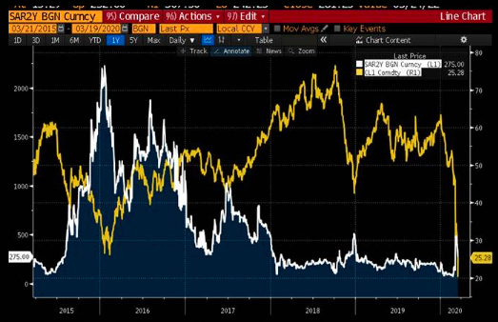
2020-03-19 | Tim Rishi | Can add south Africa to the much more dovish list with a 100bp cut just now
2020-03-10 | Tim Rishi | In a world of FI longs, if anyone needs to pay something, CZK can be interesting. CB governor today talking down rate cut possibilities - and yesterday the vice governor held a conference call with the markets, saying rate cuts have a 1y lag, so if the virus impacts are less than 2 months, they would be better served via fiscal not rate cuts. 100bp of cuts are priced for the next 4 meetings. There is a very real risk they don’t cut at all - yesterday on the call, Holub suggested the virus could be a net inflationary risk to them (given weaker CZK and pricing issues due to supply chains being broken). If they do cut, I think they would do 25s given high core inflation and a hawkish bias - the front end should still be relatively ok in that world. | EM Rates | 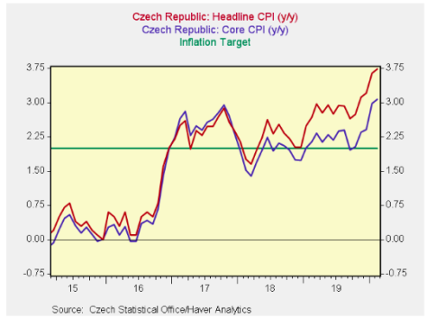 |  | 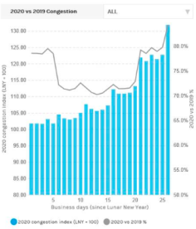
2020-03-10 | Tim Rishi | Sharp increase yesterday in the china congestion index from MS (this measures traffic levels and number of people using the subway across various provinces). It is now just 13% off 2019 levels. | Macro
2020-03-10 | Tim Rishi | So for colour on how this works. They now have 30bn in budget to use for intervention - of which 5.5 has been used so far (in 2017). The two instances it has been used - once was ad hoc, the other was a weekly intervention program. Yesterday we had increased intervention from Brazil (selling $, starting to walk back suggestions of a rate cut), and today Russia are bringing forward their FX sales to help calm the currency pressures - Gazprom also said they would start selling USD to support the market. *BANK OF RUSSIA TO START FX SALES TODAY UNDER BUDGET RULE | FX
2020-03-10 |  | *MEXICO BOOSTS FX HEDGE PROGRAM TO SUPPORT PESO *MEXICO FX COMMISSION CAN CALL HEDGE AUCTIONS AT ANY MOMENT To be clear... Just increasing their NDFs. No intervention yet JPM color 16:40:21 20bln program increased to 30bln 16:40:29 note only 5.5 has been used 16:40:52 of the pre existing 20bln NDF auction program 16:41:50 if you recall.. the program was instituted in 2017... 5bln has been used... and they continue to roll | FX
2020-03-09 | Tim Rishi | BCB selling $3m today - and also walking back the rate cut communication.(BFW) Brazil’s BCB: Current Cycle Recommends Caution on Mon. Policy BN 03/09 11:31 *BCB CAN USE TOOLS AT ANY VOLUME TO ALLOW FX MKT TO WORK: SERRA BN 03/09 11:26 *BRAZIL CENBANK POSTS PRESENTATION FROM BRUNO SERRA ON WEBSITE BN 03/09 11:25 *BRAZIL'S BCB: CURRENT CYCLE RECOMMENDS CAUTION ON MON. POLICY | FX | Danielle Chaves; bloomberg
2020-03-09 | Tim Rishi | *BANK OF RUSSIA WON'T BUY FX UNDER BUDGET RULE FOR 30 DAYS Implies Russia will go from buying $3bn a month to selling $2bn a month (they haven’t confirmed selling will take place today). I think Mexico will likely start an intervention program soon too (similar to what they used in 2017). Some thoughts on this from a local broker below ->Mexican Exchange Commission likely to deploy its tools soon… In Mexico, the exchange commission is the authority responsible to oversee the exchange rate. The Commission is integrated both by authorities from Banco de Mexico and the Ministry of Finance, but their decisions are critical to support monetary policy in high-volatility scenarios. Since 2017, the Exchange Commission decided to stop relying in dollar auctions to avoid –or at least bound, overshooting in FX. This mechanism was substituted instead for FX swaps that, as opposed to auctions, do not need to use international reserves. Based on the above, the toolkit we can expect the exchange commission will deploy should start with FX swaps, and then, if necessary, with dollar auctions. The fact that FX is at an all-time high lead us to believe all alternatives are in the table. In our view, two facts align this time: a) Absolute level of FX at all time high and, b) Banxico has always signaled the importance of MXN's performance relative to its peers, mainly EM. Today's price action and almost "solo" USDMXN under performance makes us believe intervention probabilities rose dramatically. | FX
2020-03-04 | Tim Rishi | JP add 50bp of rate cuts to Russia (seeing the terminal rate at 5.00 instead of 5.50 before). They think CBR could cut 50bp later this month if $RUB stabilises. | EM Rates
2020-03-03 | Tim Rishi | This makes Banxico very interesting. Heath and Esquivel went from 50 to 25bp pace because the Fed was not cutting. Given the Fed, it certainty opens a door for them to move to 50. Barclays have moved for this to be a base case - I’m personally unsure, but you will have 2 votes for 50 (my uncertainty is regarding the other 3 members who didn’t bite at a 50 last year). Barcalys think Banxico pause in June - I think the Fed decision means there will be no pause and they keep going (most likely in 25s). After today’s 50bp cut, the difference in policy rates between the US and Mexico is 575bp - the highs in this spread was 625bp - and it was 275bp in 2015 -i.e. there is tones of room for a gradual cycle to carry on. The terminal rate is priced at 5.50% (so real rates of 2.5%). I should have added - the next Banxico meeting is a week after the Fed - which might move the needle on a 25bp vs 50bp move
2020-03-03 | Tim Rishi | Pricing on a meeting date basis - so if the Fed cut 25bp at the March FOMC meeting, they would have done the same amount in 1 month which Banxico is priced to do in the next 3 meetings. Meetings Priced In 26-Mar-20 -35 14-May-20 -53 25-Jun-20 -69 13-Aug-20 -96 24-Sep-20 -103 22-Oct-20 -115 12-Nov-20 -144
2020-03-03 | Tim Rishi | JPM join Barclays in moving to a 50bp view for March (attached). The debate now shifts to if this is a one off, or if the pace will remain 50bp (both JP and Barclays are defaulting back to 25bp, but without strong conviction).
2020-02-27 | Tim Rishi | Citi have a useful chart below highlighting the only real pattern with the $ and Fed policy in the month before the first cut - with the $ weakening. They left out last year on the chart, but EURUSD did get close to highs on the year (getting to 1.14) just before the first Fed cut in July. | Technical | Kurran Tailor, citi
2020-02-26 | Tim Rishi | Helpful to frame what is good/bad budget. My focus is on what is announced on wages, and where 21/22 deficit number comes out (ignore 19/20, we know it’s a mess)
2020-02-26 | Tim Rishi | The 160bn on wages is not in the 2021/22 number, so makes it a slight beat if this does happen (huge execution risk - given the unions said no last night!). Market assumes Moodys will pass now, doesn’t change the case that debt/GDP is on an unsustainable trajectory - and they have given up trying to stabilise it (*SOUTH AFRICA TREASURY SAYS DEBT WON’T STABILIZE IN MEDIUM TERM) but that’s a story for another day given high hedge ratios into today’s budget.*SOUTH AFRICA SEES BUDGET DEFICIT AT 6.3% OF GDP IN 2019-20 *SOUTH AFRICA SEES 2020-21 BUDGET GAP AT THREE-DECADE HIGH 6.8% *SOUTH AFRICA PLANS TO CUT 160B FROM STATE WAGES OVER 3 YEARS
2020-02-21 | Tim Rishi | (BFW) Turkey State Banks Sold at Least $2 Billion on Thursday |  | Asli Kandemir and Constantine Courcoulas Bloomberg
2020-02-14 | Tim Rishi | Article published now makes it a bit clearer - Prime Minister’s Boris Johnson’s spokesman Jamie Davies tells reporters in London on Friday he can’t confirm that the budget will go ahead as planned on March 11 or that the government’s fiscal rules will remain unchanged. Davies comments after Sajid Javid unexpectedly quit as chancellor of the exchequer on Thursday, to be replaced by his deputy, Rishi Sunak Davies: “We will continue to have a clear fiscal framework and as you know that gets confirmed at the budget” Says “preparations for the budget continue” NOTE: Fiscal rules set by Javid require day-to-day public spending and revenue to be in balance within three years | Fiscal
2020-02-14 | Tim Rishi | Some good colour from Tim Ash on Turkey’s BOP. Pretty grim reading. CA negative again. FDI is falling sharply. Couldn’t attractive portfolio investments despite a 1000bp easing cycle - first annual outflow on portfolio account since 09. Reserves continue to draw down and are non-existent now. ‘Something has to give - draw down of FX reserves, weaker currency, big TFP improvement via structural reform at home, or a change in the approach/attitude to foreign capital. The above suggests an abrupt halt in foreign capital flows. So how is Erdogan going to finance growth going forward? ‘ This is made more interesting by the political constraints Erdogan has from Babacan’s new party eating AKP votes. | EM FX | Timothy Ash (BLUEBAY ASSET MANAGE)
2020-02-13 | Tim Rishi | BCB intervening, 1bn USD via swaps | EM FX

Tomas Jelf
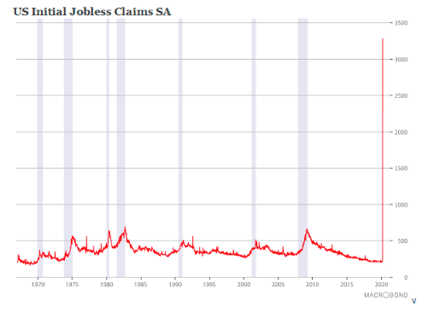
time | Person | content | subject | other information, like data sources
2020-03-26 | TJ | Strange times indeed when a 3.3m increase in claims is within the forecast range. The result may not be a surprise to the recipients of this email, but the chart below will get a lot of main stream press attention. For good reason. Prior crisis, be it the oil priced induced recessions in the 1970s , the double-dip recession in the 1980s, the dotcom bust or the financial crisis… the all look like blips in comparison. Politically this is explosive, and will push in the direction for more fiscal activity also after the bill voted on last night. | US Initial jobless rate
2020-03-24 | TJ | evaluating a stimulus program to help revive the German economy after the coronavirus crisis subsides.The goal is to “prevent the pandemic from leading to an infection, an enduring crisis for the economy,”.“We can’t lose sight of the prospects of a new upswing after the crisis has been overcome,” said Altmaier. “We must do everything to ensure that -- as the infections decrease and public life starts up again and companies return to normal production -- forces of growth gain the upper hand.”. Altmaier said the damage will likely be bigger than the financial crisis more than a decade ago.Government officials are concerned that these measures may not be enough to kick-start the economy once the virus has been contained and are considering a more classical stimulus program largely financed by new debt. 1. I have pasted the German fiscal stimulus report I mentioned below. It is the first official comments I have come across that acknowledges that proper stimulus is needed beyond providing immediate support. So far they are talking tax cuts. What they really need to do is to ramp up investment. The same report also suggests that the German government officials think this shock will exceed the great financial crisis. 2. As per my comment to Stavros, the somewhat better than anticipated European mfg PMIs outcomes were distorted by the supplier delivery component. The press releases for Japan, German and UK explicitly mentions this. When the economy accelerates supplier deliveries typically lengthen. That’s the case also in the current situation, but because of Covid19 related supply damage. Similarly, some inventories are boosted involuntarily. Excluding those components the UK mfg PMI was 44.5, rather than the 48 reported. I don’t have the same detail for the others; fair to assume a similar sized impact. 3. The 4m claims projection a few analysts have put on Bloomberg is likely due to reports of the sharp increase in state c |  | By Birgit Jennen and Arne Delfs (Bloomberg)
2020-03-24 | TJ | Germany PMI: first decrease in overall input costs since April 2016. average prices charged for goods and services fall at the fastest rate for more than a decade | PMI | https://www.markiteconomics.com/Public/Home/PressRelease/cf3d63eed2dd4e3a9833e3ba3fc974eb
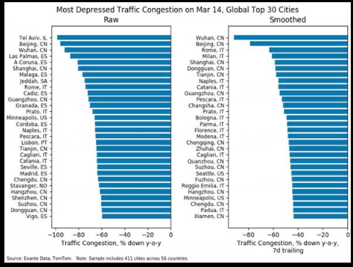
2020-03-24 | TJ | France pmi:supply shortages drove input prices higher;the rate of inflation eased to the softest in the current 49-month sequence;there were contrasting results at the sub-sector level, with manufacturers raising output prices for the first time in three months, while service providers cut output prices solidly | PMI
2020-03-24 | TJ | Depressed traffic conjestion data | Alternative data | Exante data
2020-03-20 | TJ | The Resolution Foundation estimates that the government’s new Coronavirus Job Retention Scheme will cost £4.5bn per 1 million workers. Let’s assume 50% of workers will utilize the scheme. That’s 16.3m workers. 16.3 x 4.5 = £73bn £73bn = 3.3% of annual GDP | Official | Resolution Foundation
 | Andrew law | That indicates nowhere near enough by definition. By a factor of 5. Would be fine if only for a month, but not for 6 months as businesses will eat through reserves, and people can’t suffer the resulting income loss. Businesses can’t furlough many people outside of customer facing roles without closing down.
2020-03-19 | TJ | A review of US budget balances in the context of the Covid19 shock. A review of US budget balances in the context of the Covid19 shock This note reviews US federal budget data since 1901 to get a sense of prior sharp changes in revenues and spending, with purpose to identify any pattern that is relevant for the current crisis. It doesn’t hold to compare the current situation with war economies, at least not on the revenue side. Today’s situation is worse. During both the Great War and the Second World War tax revenues increased, presumably because governments mobilized the tax base for the war effort. This time around revenues are likely to collapse. To get some sense of this; · Over the 2008-2009 period, when the unemployment rate doubled to 10%, revenues fell 18% y/y. · Over the 2001-2003 period, when the unemployment rate rose from 3.8% to 6.3%, revenues fell 12%. | US fiscal
2020-03-08 | TJ | An attempt to estimate GDP on italy. 1. Quarantine: Lombardy accounts for 22% of Italian GDP. Press reports suggests that total area under quarantine (which extends beyond Lombardy) accounts for a 1/3 of Italian GDP. The EUR 19bn hit Tommaso circulated is consistent with a 40% contraction in activity in that area over one month. Let’s take that at face value for this exercise. That’s a 1.1% hit to full year GDP. 2. Tourism: The total contribution from tourism is estimated to EUR 237bn per year. Fortunately, March is a relatively slow month. It picks up quickly from April (Easter) with July and August the peak months (28% of total). I have assumed a 10% y/y reduction in Feb, 50% in March/April, followed by 30% in May, 20% in June/July and 10% in August. Normality returns after that. In that scenario the hit is EUR 38bn, or 2.1% to GDP. I have adjusted the estimate in March/April to avoid double counting from the quarantined zone. Is a 50% too aggressive? Domestic economists think not. For example, Professor Roberto Perotti at Bocconi University thinks tourist numbers will go to ‘almost zero’ in the near future with a slow recovery after that (link). 3. School closures: Over the weekend, it was announced that school closures nationally will be extended from March 15th to April 3. So that is a full month. As per the research discussed before, analysis done for the UK suggests such measure lasting a month has the potential to suppress the economy with 2pct. An impact of similar magnitude is likely in Italy. Together the above suggest a hit north of 5%. That’s considerably worse than I have seen discussed to date. Even if I am much more conservative I get to a hit of 2.8%. That assumes half the hit from the quarantine measures and school closures, while tourism flows are back to normal by June. In my view, my first estimate is by design already cautious. Firstly, it assumes that the quarantine in northern Italy will last a | Macro | https://www.bbc.co.uk/news/business-51650974
2020-03-08 | Andrew law | Thanks, Tomas. How might policy makers react to control the situation beyond yesterday’s granting of some emergency fiscal spending outside the structural accounts?
2020-03-08 | TJ | Thanks, Tomas. How might policy makers react to control the situation beyond yesterday’s granting of some emergency fiscal spending outside the structural accounts?
2020-02-28 | TJ | Powell Says Monitoring Virus, Will Use Tools, Act as Appropriate.In case anyone forgot ‘act as appropriate’ is of course the words used before each of last year’s rate cuts. Questions now are 1) if they think this preannouncement buys them time to March 18th, and 2) how large the cut will be. It would be surprising to me if they concluded that 1) this sort of emergency statement is needed and 2) concluded that they can still wait. If that is nevertheless their thinking the bar for cutting is now made very low.
 | Iomar | When would we expect emergency coordinated policy action if it were to come? Is it historically over a weekend? Ive totally forgotten the emergency CB playbook.
 | Andrew law | Not immediately. Market reaction will determine that in the coming days. If it comes either 11am or around 1pm london time.
 | Statithis | For devil’s advocate argument: he could put clarida on TV to essentially preannounce “significant” (aka 50bp) march meeting action, at which venue they can explain thoroughly their reasoning given it’s a SEP meeting?
 | Andrew law | If they decide in coming days that’s what they need then they’ll do it immediately in my opinion. Needs broad buy in, not smoke and mirrors. They prefer to wait.
 | Iomar | Do you mean broad buy in from other members on the FOMC, or from the other CBs (or both?).
 | Andrew law | Pricing is oddly and inconsistently bifurcated between early move, and 50 at meeting.
2020-02-27 | TJ | Just to be clear, this is an aggressive measure which will have significant economic effects. The additional closure, i.e. beyond the spring holidays, is approximately 3 weeks. It covers schools nationwide from elementary through senior high school. For some perspective on the economic impact, Robin Harding at the FT published the below a few days ago. It relates to the UK rather than Japan. The female labour force participation rate in the UK is ca 5% higher so the impact in Japan may be somewhat smaller than suggested below. Also, it should be scaled to three rather than four weeks. For example, Marcus Keogh-Brown and Richard Smith of the London School of Hygiene and Tropical Medicine have published a series of papers modelling the economic effects of an influenza pandemic. In their studies, it is the effect of school closures and “prophylactic absenteeism” — ie: staying at home to avoid infection — that accounts for most of the economic impact. In a UK pandemic with a low fatality rate of 0.4 per cent of cases, the direct economic impact ranges from 0.5 per cent to 1 per cent of gross domestic product, depending on whether the disease affects 25 per cent or 50 per cent of the population. Mitigate it with four weeks of school closures, however, and the economic effect doubles or triples closer to 2 per cent of GDP because of the lost labour supply from parents who need to look after their children instead of working. The authors suggest avoiding long school closures in the event of a mild pandemic, because they could “greatly multiply the economic impact of the disease”. In their most extreme scenario, however, the case for closing schools is stronger. The relative economic impact of closing schools gets lower as the disease becomes more severe, they find. In the most severe scenario, with a Sars-like fatality rate of 10 per cent, the economic effect rises to 9.6 per cent of GDP — and closing schools would add only 0.7 per cent | https://www.ft.com/content/55a78456-57b2-11ea-abe5-8e03987b7b20
2020-02-24 | TJ | The current activity indicators in the Standard Chartered’s SME survey, done post Feb 17tyh, collapsed. Forward looking components declined at record rates too, albeit not as much. The data underscores an issue flagged before; SMEs are in urgent need for support.
2020-02-12 | TJ | No changes to the rate path. Notable downward revisions to CPIF largely due to energy. CPIF- ex energy forecast largely unchanged for end of this year and thereafter. The statement focuses on that the CPIF ex energy forecast is largely unchanged from the end of this year and onwards. Statement says global risks have receded somewhat. While it mentions the corona virus, it concludes that it is difficult to judge the economic consequences beyond the short term hit. My comment: Unsurprisingly Rix portrays an hold outlook consistent with its controversial decision in December to increase the policy rate. While the statement downplays the shift lower in its CPI forecast the direction is still down over Q1-Q3 of this year. This will ensure that the dovish minority is restless. The baseline remains unchanged rates for this year, while I continue to view it more likely that the next move is down than up. Tomas Rix forecast | CB
2020-01-30 | TJ | For the end of the forecast period, excess demand has been revised down to 0.75% from 1.25% in the prior report Current level of excess supply has been increased to 0.5% from 0.25%. These developments, together with Carney’s comment about the need for hard data to improve following the improvement in surveys, point to an easing bias over the next few quarters.
2020-01-29 | TJ | 1. The most/only significant development was the change to the inflation language in the statement and Powell’s explanation of that change. The Fed leadership is clearly keen on market participants knowing that the current pace of inflation is not satisfactory. While that lack of satisfaction is not enough for a policy adjustment at this juncture it suggests that the hurdle for further accommodation is low. 2. There was no talk about yield curve control. The WSJ reporter who wrote about it last weekend, Timiraos, did not ask about it. That’s surprising to me, and suggests that the story may not have been a leak after all. The Fed leadership probably considers YCC a viable future tool, but they didn’t want to press it today. 3. The balance sheet discussion was largely as expected I think. The Fed and (some) market participants continue to disagree if it is QE or not. Powell did a good job in not getting goaded by journalists questions on this. 4. The Chair said that the Fed is ‘very carefully monitoring’ the coronavirus evolution, but also followed up by flagging signs of improving global growth. Ergo, this is not a driver of policy. So where are we left? Fed on hold with an asymmetric outlook (hikes out of the question, while scenarios can develop where they cut). Same as before, with the added information that the Fed felt it necessary to repeat the message. Best regards, Tomas
 | Andrew law | Thanks, Tomas. I see 1 as an incremental build on the bias through the mid year announcement. And 2 as full confirmation that it was sourced, as opposed to speculative and looking for confirmation.
 | TJ | Hi Andrew, All clear and agreed on 1. On 2, I get the point that the YCC story wasn’t challenged and thus stands as is. My experience is that when the Fed wants a message to get across they repeat it over and over again. That would have argued for Timiraos, or someone else, asking about it and gotten a supportive answer. Either way, the YCC tool is in the mix for consideration and will likely prevail (judging by the support from Brainard, Clarida et al). Best regards Tomas

Dale Tomas
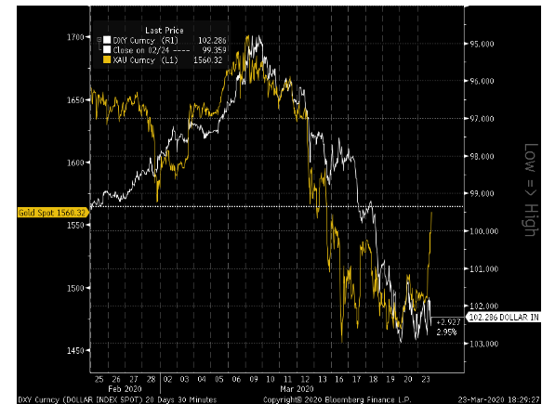
time | Person | content | subject | other information, like data sources
2020-03-23 | Dale | Price action in gold today in interesting both on its own , but also what it might mean for the USD. Gold turned lower before the USD on the 9 March and again on the 13th March. It has led the USD index. At the very least, the rally in gold today is a warning sign for USD bulls (my normal leaning), particularly as it followed the Fed’s all in announcement earlier | FX
2020-03-17 | Dale | Imperial paper on coronavirus | paper | https://www.imperial.ac.uk/media/imperial-college/medicine/sph/ide/gida-fellowships/Imperial-College-COVID19-NPI-modelling-16-03-2020.pdf
2020-03-17 | Iomar | Thanks Dale, very clearly justifies Boris current stance. The types of simulations are incredibly fickle, with very small assumption changes completely changing the picture. Here is the alternative view {https://www.jpost.com/HEALTH-SCIENCE/Israeli-nobel-laureate-Coronavirus-spread-is-slowing-621145} | paper
2020-03-17 | Iomar | Fergusons paper has obviously helped to shock the UK government out of inaction, and maybe that was the point, but it has received extremely heavy criticism from academics globally {https://www.academia.edu/42242357/Review_of_Ferguson_et_al_Impact_of_non-pharmaceutical_interventions..._} Here is a more readable version of the criticism, as well as what we can expect for the months after a sucessful heavy lockdown; https://medium.com/@tomaspueyo/coronavirus-the-hammer-and-the-dance-be9337092b56
2020-03-17 | Andrew | ISI China email of yesterday has the timeline pegging Italian slowdown a week away still
2020-03-17 | Iomar | Could very well be right, let’s hope so… Quite a few moving parts at the moment, with the balance between; 1. A Global suppression strategy (4-7 weeks); enormous short term growth impact as you, Tomas and Dale have shown in January 2. Mitigation thereafter (12-18 months); much less but still significant, depending on measures adopted regionally 3. Fiscal (should largely offset #1), but just spreads the pain over a longer period of adjustment to avoid structural damage to the economy 4. Monetary, given the lag should offset some of #2 = a net impact that is still probably bad, but this needs to be weighted up against a market that is already pricing quite a dire outlook ($ 5y inflation swaps at 40 bps, structural growth rate of US economy at ~80 bps even accounting for neg term premium of 20 bps) So I’m left scratching my head.
2020-03-17 | Tomas Jelf | Thanks for sharing those papers Iomar. I only had the chance to read the first one so far. If I understand the criticism correctly it is in part based on 1) Ferguson et al not taking into account the efficacy of contact-tracing efforts that could accompany social distancing policies, and 2) that they underestimate how quickly the virus can be brought under control if R0<1 is achieved. The first point is supported by work done in the Northern Italian city of Vo where aggressive testing and tracing has eliminated the spread of the virus. However, it is far from clear that Western societies will be able ramp up testing and tracing at the scale necessary. Take testing for example. Following the success in Vo, the region of Veneto has decided to accelerate tests to 11,000 per day. Even at that pace it will take approximately 18 months to test everyone in the region. As for tracing, China is doing this at scale both with an army of people and extensive use of technology (e.g. with various phone apps as described by the Economist and others). To do the same in Western societies is logistically and legally/ethically challenging. They may get there but it isn’t going to be immediate. As a consequence of the above, I believe the risk to the duration of the suppression strategy estimate you provide below is heavily skewed to the right (i.e. that it will last for longer) and with great uncertainty what follows (i.e. how European and US societies exit from it). Tomas PS On your third point, I think the impact from the fiscal action is more complex than spreading the pain over time. The structure of societies and industries will change as a result. In some ways it may be for the better, e.g. long term public investments boosting productivity. For Europe specifically, it will change how the EU works, either in a total disarray or a more unified manner (looks more like the latter judging by recent developments). Bo
2020-03-17 | Iomar | We will know the answer in time but for me, in terms of prediction, it depends on whether you think specialists (the epidemiologist) or generalists (Taleb, Shen, etc) are more likely to be correct. I always side with the fox rather than the hedgehog. In terms of changing government policy, I would have thought both play a part, but obviously the Imperial guys have the governments ear. One would hope that they are smart and modest enough to take on any relevant criticism and adjust their future conclusions accordingly.
2020-03-01 | Dale | Article by Niall Ferguson that hypothesises that Trump will likely suffer from an outbreak of Coronovirus in the US and that Bernie Sanders, with his support for universal healthcare will benefit. To me it seems that the fragmented US healthcare system, with its huge producer interest , is particularly badly placed to deal with this epidemic. If I ran a health care insurer and was looking at the data below (From the Guardian) I would be trying to jack up insurance premiums for the over-fifties as quickly as possible. Poorer, older, less well-educated people will be more vulnerable to both losing healthcare and to becoming sick. This is the demographic that Trump needs to win big(ly) in to retain the Presidency. | Story | Guardian;CCDC

other sell side interesting
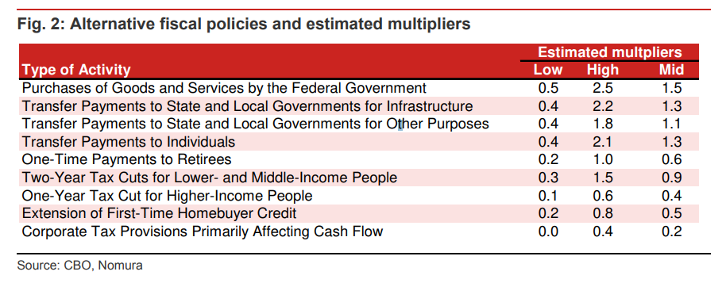
time | company | Person | content | subject
2020-03-27 | nomura | Lewis Alexandar | graph | fiscal policies multiplier

